HOW TO USE THIS TOOL
Understanding Racial Disparity in Your CoC
 | Each community has unique circumstances impacting homeless populations. The CoC Analysis Tool draws on Point-In-Time Count and American Community Survey data to facilitate analysis of racial disparities among people experiencing homelessness. Such an analysis is a critical first step in identifying and changing racial and ethnic bias in our systems and services.
How to Use the Tool
 | Select a CoC from the dropdown at the top of the Dashboard tab. The charts and tables will automatically populate with local and state data.
 | The first bar chart shows racial distributions for the selected CoC for all people living in poverty, people experiencing homelessness, and people experiencing unsheltered homelessness. By comparing racial distributions between persons experiencing homelessness and persons experiencing poverty, we are able to identify racial disparities in homelessness that poverty alone cannot account for.
 | The bar charts also include the racial distribution for individuals in families with children who were experiencing homelessness. Note: for these individuals, the race data is based on the racial identity of the head of household. It is a proxy and may not accurately represent the racial identity of all household members.
 | The bar chart in the center and on the right show the racial disparities for youth and veterans experiencing homelessness, respectively.
Example Reading of Distribution of Race Chart

 | For example, when reading the chart below, we see that 17% of all people living in poverty in the CoC identified as Black in the 2011-2015 American Community Survey. We also see that 33% of people experiencing homelessness in the Point-In-Time Count identified as Black. This demonstrates a large racial disparity in homelessness, beyond the impact of poverty alone. What other factors might contribute to this disparity?
 | Looking at families with children experiencing homelessness in this sample CoC, though we see that 29% of those living in poverty are white, only 18% of people in families with children that are experiencing homelessness are white.
 | Note: Race data for individuals in families is based on the racial identity of the head of household. It is a proxy and may not accurately represent the racial identity of all household members.
 | 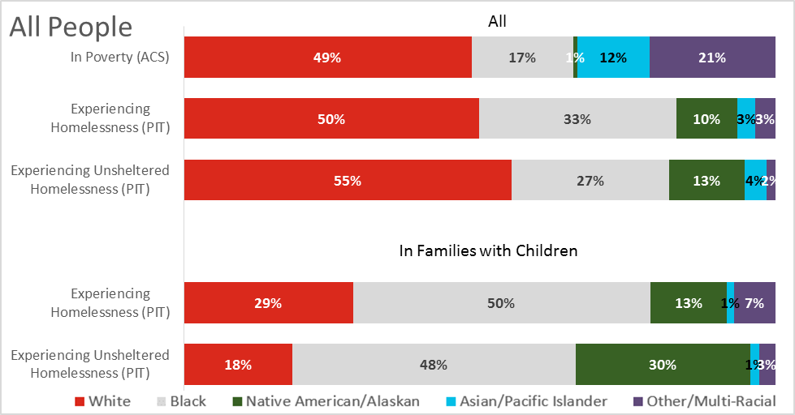

 | The next set of bar charts in the Dashboard displays the distribution of Hispanic and Non-Hispanic groups in the same configurations, enabling a comparison between rates of poverty and rates of homelessness amongst singles, families, youth, and veterans.
 | The CoC Data tables below the charts include the data that is represented in the charts as well as additional detail, including overall racial distribution in the CoC and racial distribution among persons experiencing sheltered homelessness.
 | The State Data table provides a broader context with racial distributions for the entire state, those in poverty, and persons experiencing homelessness, with a breakout of families with children.
Example Reading of CoC Data Table

 | In this example CoC, 23% of people in families with children are Hispanic. We see higher rates of Hispanic ethnicity when we look at families in poverty, at 30%, and even higher rates for families experiencing homelessness, at 45%.

Technical Notes
1. | When you first open the document, select Enable Content in the yellow bar.
2. | If you get a pop-up asking to make it a trusted document, select "Yes"
3. | In order to best view the charts and tables on your monitor or for printing, you may need to adjust the zoom in the lower right corner of the Excel window.
4. | Scroll to the right to view all three bar graphs and two data tables.
5. | Percentages of 5% or less might be difficult to view in the charts at the top of the page, but can be referenced in the corresponding tables below.
6. | If you see #### instead of a number in a cell, widen the column until you can see the numbers.
7. | Blank cells in the tables indicate that data is not available for that subpopulation.
Do NOT…
1. | Hide rows below 69 on the DASHBOARD tab. These are necessary for the charts.
2. | Modify table cells on the DASHBOARD tab. Doing so will overwrite the formulas.
Discussion Questions for your CoC
1. | How does your CoC compare to state numbers. Are any racial groups over- or under-represented among the homeless population in your CoC?
2. | Are there specific local or state conditions that might lead to these differences?
3. | In PIT counts, are there significant differences between sheltered and unsheltered counts as far as over- or under-representation? Why might that be?
4. | Are there differences between families and individuals in terms of racial distribution?
5. | What does the youth data look like compared to all households? What about youth in families with children?
6. | What about veterans in your community? What do you know about your own community that gives context to the data?

DASHBOARD
2017
 | CoC Racial Equity Analysis Tool
 | Homelessness and poverty counts at the CoC and State level
 | Select your CoC
 | Select your CoC… | …

Distribution of Race
All People
 | White | Black | Native American/Alaskan | Asian/Pacific Islander | Other/Multi-Racial | White | Black | Native American/Alaskan | Asian/Pacific Islander | Other/Multi-Racial | White | Black
In Poverty (ACS) | 0% | 0% | 0% | 0% | 0%
Experiencing Homelessness (PIT) |  |  |  |  |  | 0% | 0% | 0% | 0% | 0%
Experiencing Unsheltered Homelessness (PIT) |  |  |  |  |  |  |  |  |  |  | 0 | 0
Experiencing Homelessness (PIT) |  |  |  |  |  | 0% | 0% | 0% | 0% | 0%
Experiencing Unsheltered Homelessness (PIT) |  |  |  |  |  |  |  |  |  |  | 0 | 0
Youth*
 | White | Black | Native American/Alaskan | Asian/Pacific Islander | Other/Multi-Racial | White | Black | Native American/Alaskan | Asian/Pacific Islander | Other/Multi-Racial | White | Black
Experiencing Homelessness (PIT) |  |  |  |  |  | 0% | 0% | 0% | 0% | 0%
Experiencing Unsheltered Homelessness (PIT) |  |  |  |  |  |  |  |  |  |  | 0 | 0
Experiencing Homelessness (PIT) |  |  |  |  |  | 0% | 0% | 0% | 0% | 0%
Experiencing Unsheltered Homelessness (PIT) |  |  |  |  |  |  |  |  |  |  | 0 | 0
Veterans
 | White | Black | Native American/Alaskan | Asian/Pacific Islander | Other/Multi-Racial | White | Black | Native American/Alaskan | Asian/Pacific Islander | Other/Multi-Racial | White | Black
Experiencing Homelessness (PIT) |  |  |  |  |  | 0% | 0% | 0% | 0% | 0%
Experiencing Unsheltered Homelessness (PIT) |  |  |  |  |  |  |  |  |  |  | 0 | 0
Youth Poverty Data Not Available
Veteran Poverty Data Not Available

Data about Veterans in Families Not Available

All People
 | Hispanic | Non-Hispanic | Hispanic | Non-Hispanic | Hispanic | Non-Hispanic
In Poverty (ACS) | 0% | 0%
Experiencing Homelessness (PIT) |  |  | 0% | 0%
Experiencing Unsheltered Homelessness (PIT) |  |  |  |  | 0% | 0%
Experiencing Homelessness (PIT) |  |  | 0% | 0%
Experiencing Unsheltered Homelessness (PIT) |  |  |  |  | 0% | 0%
Youth*
 | Hispanic | Non-Hispanic | Hispanic | Non-Hispanic | Hispanic | Non-Hispanic
Experiencing Homelessness (PIT) |  |  | 0% | 0%
Experiencing Unsheltered Homelessness (PIT) |  |  |  |  | 0% | 0%
Experiencing Homelessness (PIT) |  |  | 0% | 0%
Experiencing Unsheltered Homelessness (PIT) |  |  |  |  | 0% | 0%
Veterans
 | Hispanic | Non-Hispanic | Hispanic | Non-Hispanic | Hispanic | Non-Hispanic
Experiencing Homelessness (PIT) |  |  | 0% | 0%
Experiencing Unsheltered Homelessness (PIT) |  |  |  |  | 0% | 0%
 |  |  |  |  |  |  |  |  | *Youth are individuals under the age of 25 who are unaccompanied or parenting.
Distribution of Ethnicity

Youth Poverty Data Not Available
Veteran Poverty Data Not Available

Data about Veterans in Families Not Available

 |  |  |  |  |  |  |  |  | *Youth experiencing homelessness is limited to unaccompanied and parenting youth persons under 25.

 | CoC Data |  |  |  |  |  |  |  |  |  |  |  |  |  |  |  |  |  |  |  |  | State Data
 | Race and Ethnicity | All (ACS)1 |  |  |  | In Poverty (ACS)1 |  |  |  | Experiencing Homelessness (PIT)2 |  |  |  | Experiencing Sheltered Homelessness (PIT)2 |  |  |  | Experiencing Unsheltered Homelessness (PIT)2 |  |  |  | Race and Ethnicity | All (ACS)1 |  |  |  | In Poverty (ACS)1 |  |  |  | Experiencing Homelessness (PIT)2
 |  | All |  | In Families with Children |  | All |  | In Families with Children |  | All |  | In Families with Children |  | All |  | In Families with Children |  | All |  | In Families with Children |  |  | All |  | In Families with Children |  | All |  | In Families with Children |  | All |  | In Families with Children
 |  | # | % | # | % | # | % | # | % | # | % | # | % | # | % | # | % | # | % | # | % |  | # | % | # | % | # | % | # | % | # | % | # | %
 | All People | #N/A |  | #N/A |  | #N/A |  | #N/A |  | #N/A |  | #N/A |  | #N/A |  | #N/A |  | #N/A |  | #N/A |  | All People | #N/A |  | #N/A |  | #N/A |  | #N/A |  | #N/A |  | #N/A
 | Race |  |  |  |  |  |  |  |  |  |  |  |  |  |  |  |  |  |  |  |  | Race
 | White | #N/A | 0% | #N/A | 0% | #N/A | 0% | #N/A | 0% | #N/A | 0% | #N/A | 0% | #N/A | 0% | #N/A | 0% | #N/A | 0% | #N/A | 0% | White | #N/A | 0% | #N/A | 0% | #N/A | 0% | #N/A | 0% | #N/A | 0% | #N/A | #N/A
 | Black | #N/A | 0% | #N/A | 0% | #N/A | 0% | #N/A | 0% | #N/A | 0% | #N/A | 0% | #N/A | 0% | #N/A | 0% | #N/A | 0% | #N/A | 0% | Black | #N/A | 0% | #N/A | 0% | #N/A | 0% | #N/A | 0% | #N/A | 0% | #N/A | #N/A
 | Native American/Alaskan | #N/A | 0% | #N/A | 0% | #N/A | 0% | #N/A | 0% | #N/A | 0% | #N/A | 0% | #N/A | 0% | #N/A | 0% | #N/A | 0% | #N/A | 0% | Native American/Alaskan | #N/A | 0% | #N/A | 0% | #N/A | 0% | #N/A | 0% | #N/A | 0% | #N/A | #N/A
 | Asian/Pacific Islander | #N/A | 0% | #N/A | 0% | #N/A | 0% | #N/A | 0% | #N/A | 0% | #N/A | 0% | #N/A | 0% | #N/A | 0% | #N/A | 0% | #N/A | 0% | Asian/Pacific Islander | #N/A | 0% | #N/A | 0% | #N/A | 0% | #N/A | 0% | #N/A | 0% | #N/A | #N/A
 | Other/Multi-Racial | #N/A | 0% | #N/A | 0% | #N/A | 0% | #N/A | 0% | #N/A | 0% | #N/A | 0% | #N/A | 0% | #N/A | 0% | #N/A | 0% | #N/A | 0% | Other/Multi-Racial | #N/A | 0% | #N/A | 0% | #N/A | 0% | #N/A | 0% | #N/A | 0% | #N/A | #N/A
 | Ethnicity |  |  |  |  |  |  |  |  |  |  |  |  |  |  |  |  |  |  |  |  | Ethnicity
 | Hispanic | #N/A | 0% | #N/A | 0% | #N/A | 0% | #N/A | 0% | #N/A | 0% | #N/A | 0% | #N/A | 0% | #N/A | 0% | #N/A | 0% | #N/A | 0% | Hispanic | #N/A | 0% | #N/A | 0% | #N/A | 0% | #N/A | 0% | #N/A | 0% | #N/A | #N/A
 | Non-Hispanic | #N/A | 0% | #N/A | 0% | #N/A | 0% | #N/A | 0% | #N/A | 0% | #N/A | 0% | #N/A | 0% | #N/A | 0% | #N/A | 0% | #N/A | 0% | Non-Hispanic | #N/A | 100% | #N/A | 100% | #N/A | 100% | #N/A | 100% | #N/A | 0% | #N/A | #N/A
 | Youth <25 | #N/A |  | NOT AVAILABLE |  |  |  |  |  | #N/A |  | #N/A |  | #N/A |  | #N/A |  | #N/A |  | #N/A |  | Youth <25 | #N/A |  | NOT AVAILABLE |  | #N/A |  | NOT AVAILABLE |  | #N/A |  | #N/A
 | Race |  |  |  |  |  |  |  |  |  |  |  |  |  |  |  |  |  |  |  |  | Race
 | White | #N/A | 0% | -- | -- | -- | -- | -- | -- | #N/A | 0% | #N/A | 0% | #N/A | 0% | #N/A | 0% | #N/A | 0% | #N/A | 0% | White | #N/A | 0% | -- | -- | #N/A | 0% | -- | -- | #N/A | 0% | #N/A | #N/A
 | Black | #N/A | 0% | -- | -- | -- | -- | -- | -- | #N/A | 0% | #N/A | 0% | #N/A | 0% | #N/A | 0% | #N/A | 0% | #N/A | 0% | Black | #N/A | 0% | -- | -- | #N/A | 0% | -- | -- | #N/A | 0% | #N/A | #N/A
 | Native American/Alaskan | #N/A | 0% | -- | -- | -- | -- | -- | -- | #N/A | 0% | #N/A | 0% | #N/A | 0% | #N/A | 0% | #N/A | 0% | #N/A | 0% | Native American/Alaskan | #N/A | 0% | -- | -- | #N/A | 0% | -- | -- | #N/A | 0% | #N/A | #N/A
 | Asian/Pacific Islander | #N/A | 0% | -- | -- | -- | -- | -- | -- | #N/A | 0% | #N/A | 0% | #N/A | 0% | #N/A | 0% | #N/A | 0% | #N/A | 0% | Asian/Pacific Islander | #N/A | 0% | -- | -- | #N/A | 0% | -- | -- | #N/A | 0% | #N/A | #N/A
 | Other/Multi-Racial | #N/A | 0% | -- | -- | -- | -- | -- | -- | #N/A | 0% | #N/A | 0% | #N/A | 0% | #N/A | 0% | #N/A | 0% | #N/A | 0% | Other/Multi-Racial | #N/A | 0% | -- | -- | #N/A | 0% | -- | -- | #N/A | 0% | #N/A | #N/A
 | Ethnicity |  |  |  |  |  |  |  |  |  |  |  |  |  |  |  |  |  |  |  |  | Ethnicity
 | Hispanic | #N/A | 0% | -- | -- | -- | -- | -- | -- | #N/A | 0% | #N/A | 0% | #N/A | 0% | #N/A | 0% | #N/A | 0% | #N/A | 0% | Hispanic | #N/A | 0% | -- | -- | #N/A | 0% | -- | -- | #N/A | 0% | #N/A | #N/A
 | Non-Hispanic | #N/A | 0% | -- | -- | -- | -- | -- | -- | #N/A | 0% | #N/A | 0% | #N/A | 0% | #N/A | 0% | #N/A | 0% | #N/A | 0% | Non-Hispanic | #N/A | 0% | -- | -- | #N/A | 0% | -- | -- | #N/A | 0% | #N/A | #N/A
 | Veterans | #N/A |  | NOT AVAILABLE |  |  |  |  |  | #N/A |  | NOT AVAILABLE |  | #N/A |  | NOT AVAILABLE |  | #N/A | 0% | NOT AVAILABLE |  | Veterans | #N/A |  | NOT AVAILABLE |  |  |  |  |  | #N/A |  | NOT AVAILABLE
 | Race |  |  |  |  |  |  |  |  |  |  |  |  |  |  |  |  |  |  |  |  | Race
 | White | #N/A | 0% | -- | -- | -- | -- | -- | -- | #N/A | 0% | -- | -- | #N/A | 0% | -- | -- | #N/A | 0% | -- | -- | White | #N/A | 0% | -- | -- | -- | -- | -- | -- | #N/A | 0% | -- | --
 | Black | #N/A | 0% | -- | -- | -- | -- | -- | -- | #N/A | 0% | -- | -- | #N/A | 0% | -- | -- | #N/A | 0% | -- | -- | Black | #N/A | 0% | -- | -- | -- | -- | -- | -- | #N/A | 0% | -- | --
...

METHODOLOGY
...
Methodology Notes
 | BG-level black people in poverty = County-level percent of people in poverty that are black * BG-level all people in poverty
 | The Veteran CoC data comes from the ACS 2015 1-year estimates. More information about the ACS can be found here:
 | United State Census Bureau: American Fact Finder
 | Race data for individuals in families is based on the racial identity of the head of household. It is a proxy and may not accurately represent the racial identity of all household members.
 | The race categories used in this analysis may not accurately reflect the racial identities and lived experience of individuals. The availability of this data, however imperfect, provides a starting place to examine racial disparities in each CoC.
Coming Soon: A Deeper Dive
 | In 2018, the Longitudinal Systems Analysis (LSA) will replace the Annual Homeless Assessment Report (AHAR) as the primary mechanism for reporting demographic and system use data to HUD. The HMIS-based LSA report will provide detailed outcomes that will help you understand how effectively your CoC is serving communities of color. Future CoC Analysis tools will allow assessment of racial disparities for different household types and population groups in three core measures:
 | · The length of time people spend homeless and in the service system,
 | · Successfully exiting homelessness to permanent housing, and
 | · The degree to which households that are housed then fall back into homelessness.
 | 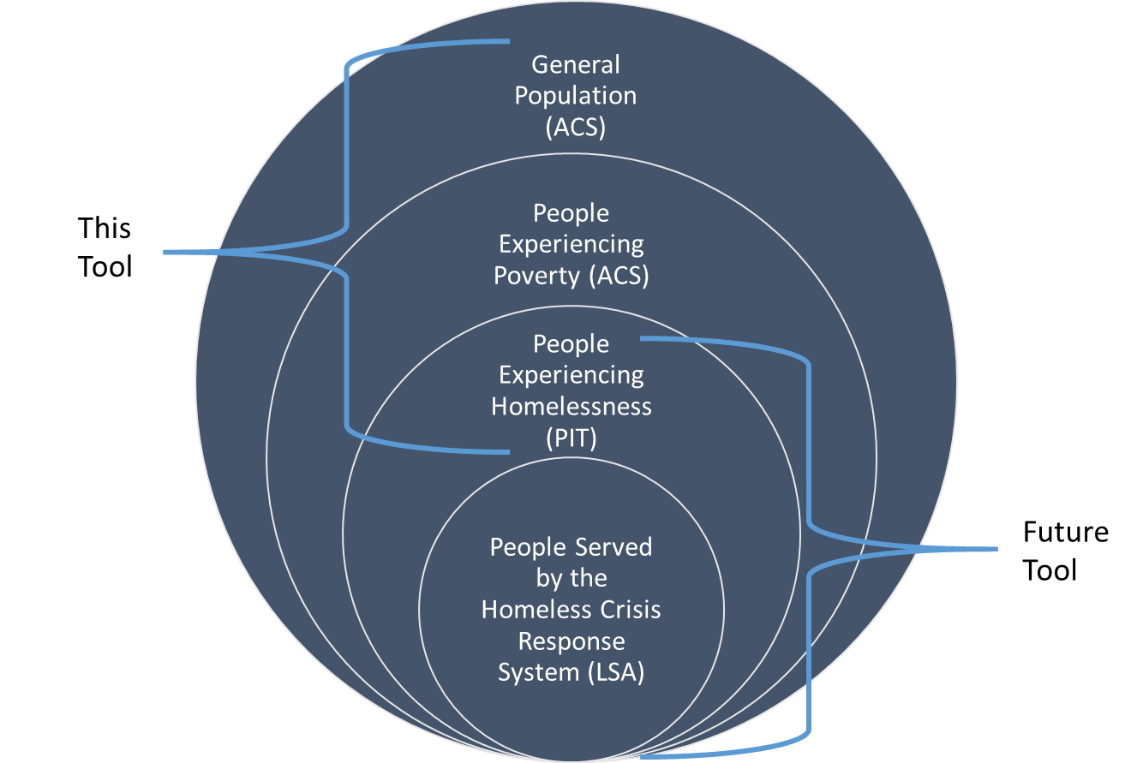
Additional Resources
 | NAEH: Racial Disparities in Homelessness in the United States
 | USICH: How to Start Addressing Racial Disparities in Your Community

